DFR Terminology 1
Terminology Related Extracts from DIGITAL FINANCIAL REPORTING (DRAFT VERSION .8)
This SS was originally prepared based on Version 0.8 of Charles Hoffman's Digital Financial reporting. The section numbers have been updated for those used in the latest version .96 on OneDrive at \Pacio\Technology\XBRL\Charles Hoffman\DigitalFinancialReporting-2015-05-25.pdf
downloaded from http://www.xbrlsite.com/DigitalFinancialReporting/Book2015/DigitalFinancialReporting-2015-05-25.pdf
The content appears to be unchanged.

10.18.5. Reconciling multidimensional terminology
The multidimensional model terminology associate with it. Unfortunately, there is not one standard, precise set of terms that everyone agrees on. But most models are fairly close. Symmetry Corp, a business intelligence consulting firm, has created a common model that it uses to reconcile all the different multidimensional model terminology used by the major software vendors they support. You can see this reconciliation here: http://www.symcorp.com/downloads/ADAPT_white_paper.pdf

XBRL Dimensions terminology is yet another variation of multidimensional terminology. The US GAAP Taxonomy uses yet another set of terms in an attempt to make the multidimensional model easier for business users to make use of. The table below provides a reconciliation between this terminology:

Common BI or Multidimensional Model Term | XBRL Dimensions Term | US GAAP Term | Description | UK Taxonomies | Pacio SSIM | SSIM Comments
Scalar |  |  | Data that has no dimensions. For example, the value for pi (3.14) has no dimensions. |  | Element | A conrete element which is not defined to be a member of a domain
Cube, data cube, hypercube, pivot table, array, matrix, info cube | Hypercube | [Table] | Connection between a set of dimensions. | Hypercube | Realm
Dimension, characteristic, measure, axis | Dimension | [Axis] | A characteristic of the information. For example, “Geographic Area” may be a characteristic of the information and therefore a dimension. | Dimension | Domain | Conflicts with DFR use of 'Property' as a piece of a Financial Report
Domain | Domain | [Domain] | Set of members of a dimension. Plus from Section 14.6 Member: A domain is a cohesive set of members. The set of members which comprise a domain share a certain common nature. Domains have partitions. A partition is collectively exhaustive and mutually exclusive set of members within a domain. Partitions do not overlap. Given a set X, a partition is a division of X into non-overlapping and non-empty "parts" or "blocks" or "cells" that cover all of X. More formally, these "cells" are both collectively exhaustive and mutually exclusive with respect to the set being partitioned. Domains always have at least one partition and may have many partitions. A domain could have subdomains. For example, say you have the axis “Business Segments [Axis]”. That axis might have the domain “Business Segments, All [Member]” which represents the total of all business segments, the sum of all the members. That is a usable domain. Whereas, suppose you had the axis “Subsequent Event Types [Axis]”. Subsequent events are never aggregated, so you would never use that domain. But you would still need to provide a domain such as “Subsequent Event Types, all types [Member]”, even though that domain would never actually be used within a report. | Domain |  | Not used. Aspects of domains such as partitions and aggregation are covered by Member attributes - see Braiins Admin Members. There is no XBRL equivalent of SIM DBO and dynamic properties.
Member | Member | [Member] | A possible values of a dimension. For example, “Asia”, “Europe”, “North America”, “South America” might be members of the “Geographic Area” dimension. | Dimension Member or Member | Element | Just Member will be used everywhere.
Measure | Primary item | [Line Items], Concept | Generally, in XBRL terms, the XBRL taxonomy concept dimension of information. For example the taxonomy concept “Sales” may be a primary item. NOTE: In BI, concepts are simply another dimension. |  | -
 | Network | [Network] | Hypercubes exist within XBRL networks. A network may have one or more hypercubes within it. Networks are a way of physically separating sets of relations. |  | -
Navigational attribute, Flow |  | Number and category of network | Order or sequence of hypercubes |  | -
Fact, key figure | Fact | Fact | A fact is reported piece of information which could be numeric, non-numeric (i.e. strings), or narrative (i.e. TextBlock). |  | - | Data, value, number, share, text, posting etc as appropriate. Fact could be OK for us too.
Fact table |  |  | Set of facts associated with a hypercube |  | -
Slice |  |  | A portion of a hypercube, somewhat like a filter, which allows information with more than two dimensions to be presented on a two-dimensional surface. |  | -
Formatting information, display attributes |  | Presentation relations | Information related to formatting, presenting, and/or rendering information from a hypercube. |  | Folios, Properties, Members, BROs, Zones, Headings, Layout options, Formats | Folios, Properties, Members, BROs (via their tree location plus attributes), Zones, Headings, Layout options, and Formats all specify some aspects of layout or use of data.

6.2. Pieces of a financial report
The following is a summary of the pieces which make up a financial report as identified by the Financial Report Semantics and Dynamics Theory. |  |  |  |  |  | Braiins Usage Comments
• Financial report | Report which communicates financial and nonfinancial information to users of that report. Financial reports contain facts, characteristics which describe those facts, parenthetical explanations of facts, relations between facts/characteristics. Each of these report elements has properties. |  |  |  |  | Self evident
• Component | A component is a set of facts which go together for some specific purpose within a financial report. A component can also be broken down into subcomponents. |  |  |  |  | Self evident
• Fact | A fact defines a single, observable, reportable piece of information contained within a financial report, or fact value, contextualized for unambiguous interpretation or analysis by one or more characteristics. Numeric fact values must also provide the additional traits “units” and “rounding” to enable appropriate interpretation of the numeric fact value. Facts may have zero or many parenthetical explanations which provide additional descriptive information related to the fact. |  |  |  |  | As per the table above
• Characteristic | A characteristic provides information necessary to describe a fact. A fact may have any number of characteristics. |  |  |  |  | Don't see any need to distinguish between 'characteristic' and 'property'. Both could be covered by 'attribute' to avoid use of 'Property' if we keep property instead of Dimension.
• Parenthetical explanation | Facts may have parenthetical explanations which provide additional descriptive information about the fact. |  |  |  |  | No current provision for an equivalent. Need to add this. Called 'Footnote'? Or Comment a la Word or?
• Relation | Components can be related to other components. Facts can be related to other facts. Characteristics can be related to other characteristics. Model structure is a type of relation which describes how report elements relate to one another. Business rules are a type of relation which describes computation type and logic-based relations. |  |  |  |  | Covered by Folios, Properties, Members, BROs, Zones, Formats
• Property | Financial reports have a known set of properties. Components have a known set of properties. Facts have a known set of properties. Characteristics have a known set of properties. The concept characteristic has additional properties: period type, data type, balance type. Relations have a known set of properties. |  |  |  |  | The word I have begun to use for such things is attribute to avoid duplicate meaning for 'Property'.

6.3. Relations between numeric facts
Facts can be related to one another numerically. The following is a summary of these numeric relations.
• Roll up | Fact A + Fact B + Fact C = Fact D (a total) |  |  |  |  | Sum or Total
• Roll forward | Beginning balance + changes = Ending balance |  |  |  |  | Roll forward or carry forward, or Start/End or Opening/Closing
• Adjustment | Originally stated balance + adjustments = restated balance |  |  |  |  | Self evident from usage
• Variance | Actual amount – Budgeted amount = variance |  |  |  |  | Self evident from usage
• Complex computation | Net income / Weighted average shares = earnings per share [Example] |  |  |  |  | Self evident from usage
• Hierarchy | Facts are related in some way, but not numerically. |  |  |  |  | Self evident from usage

6.4. Relations between characteristics |  |  |  |  |  | SSIM Usage Comments
Characteristics which describe a financial fact may, or may not, be related to one another.
For example, the business segments of a reporting entity along with any consolidation eliminations can be identified, articulated, and aggregated to the consolidated entity. The spectrum of relations between characteristics is: |  |  |  |  |  | All of these relationshsips are covered by Folios, Properties, and especially Property Members with their attributes.
• Partial set | A partial sets are [Member]s of an [Axis] which do not comprise the full spectrum or universe of possible options. For example, “United States” and “Spain” is a partial set of countries.
• Complete flat set | A complete flat set is a “flat” (meaning no sub-relations) and complete list of [Member]s of an [Axis]. For example, a listing of all the business segments could be a complete flat set if it is (a) complete and (b) it is one flat list with no sub relations.
• Complete hierarchical set | A complete hierarchical set is like a complete flat set in that it is complete; however a complete hierarchical set does have sub relations making it hierarchical as compared to flat. For example, a list of the countries which make up the geographic areas of a reporting entity which is further grouped by regions into which each country fits is a complete hierarchical set.
• Complete complex set | A complete complex set is like a complete flat and complete hierarchical set in that it is complete; however the hierarchy of relations is not flat nor a simple hierarchy but rather the hierarchy is complex.
 | NOTE: Note that sets which are complete can be aggregated. A member aggregation is similar to a roll up in that it is an aggregation; however the aggregation is not across a set of [Line Items], rather there is only one [Line Items] concept which is used by multiple facts, the aggregation is of the [Member]s which differentiate that single concept. The formula for a member aggregation is: Concept(Member 1) + Concept(Member 2) + Concept(Member N) = Concept(Default Member). The default member is generally intersected with some other financial report component. (Note that semantically, a member aggregation and a roll forward are identical. Syntactically, a roll up is expressed using XBRL calculations and a member aggregation must be expressed using XBRL Formula.)

6.5. Relations between components |  |  |  |  |  | SSIM Usage Comments
A financial report has a flow, or an ordering or sequencing of the components which make up the financial report. Financial report creators have flexibility as to this flow, for example an income statement could come before or after a balance sheet. |  |  |  |  |  | Under format control

6.6. Narrative
The following narrative is intended to further drill into the meaning of the parts of a financial report and the relations between the parts of a financial report.
A financial report communicates facts. Facts have fact values. Here are two facts:

Facts reported in a financial report have characteristics. Characteristics explicitly contextualize facts for unambiguous interpretation or analysis. Here are two facts and their characteristic “Concept” and the values for each Concept characteristic, “Revenues” and “Net income (loss)”, which explicitly describe the two facts:

Facts generally have more than one characteristic. Here is a complete set of characteristics which provide further explicit description for these two facts:

And so a fact is a single, observable, reportable piece of information contained within a financial report, or fact value, contextualized for unambiguous interpretation or analysis by one or more characteristics. A fact is the value plus the characteristics which contextualize the value. Above you see two facts.
A set of facts which go together for some specific purpose is called a component. Financial reports have many components. Below you see a set of facts which go together to make up an income statement component. (Note that only a portion of the complete set of facts which would make up the entire income statement are shown):

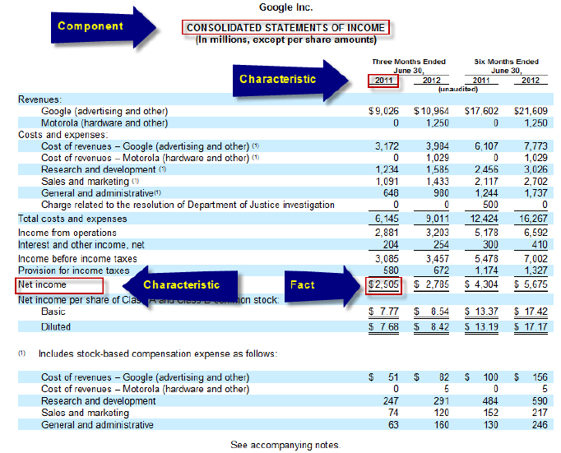
If you look at the set of facts above you note that the facts and their values and characteristics are organized in the form of a matrix or table. A table of facts, or fact table, is easy for a computer to read and understand but harder for a human to understand.
A fact table can also be better organized for human use by creating a rendering. A rendering is simply a fact table reorganized for presentation to a human. For example, below you see a fact table of an income statement which has been reorganized into a rendering

Within the rendering you can better see the relations between the facts. For example “Income before income taxes” of 5,853 less the “Provision for income taxes” of 1,626 equals “Net income” of 4,227 for the period 2008. This relation between facts is called a “roll up”. Relations between facts are expressed using business rules.
Different industries/activities and different reporting entities organize their facts in different ways.
Common characteristics of financial facts exist such as “reporting entity”, “legal entity”, “report date”, “reporting scenario”, “concept”, and “period”. Other characteristics exist which may, or may not, be appropriate for a specific reported fact.
Facts may have parenthetical explanations associated with them.
Financial reports, the components which make up a financial report, the facts within a financial report, the characteristics which describe facts, the relations between facts, and parenthetical explanations which further describe facts each has a specific set of properties. For example, a component has a label which might be “Income statement”. A concept characteristic “Net Income” has a balance type property of “credit”.

While we have only shown one component above, a financial report is generally made up of numerous components. Components are ordered or sequenced into a particular order by the financial report creator.
But if you break down the different components, they are always made up of the pieces described above and definable relations exist between the pieces.

8.3. Network
Is a grouping rather than "network"

8.9. Component
A component is a combination of a network and a table. A component is a set of facts which go together for some specific purpose. Because a network and table have undefined semantics, likewise a component must have undefined semantics.

HINT: Taxonomies such as the US GAAP Taxonomy SHOULD define specific semantics for networks and tables. If such semantics were known, then the semantics of a component would be clear. Each reporting entity can, and generally does, have their scheme or approach to how they create the many pieces which make up their financial report. That is their scheme. Each scheme could be different. There are exactly three approaches to defining components: use only networks (and make all tables the same), use only tables (and make networks meaningless) or use both networks and tables. If an approach where tables are used, each table should be unique (have a unique name). Having one table have multiple meanings (i.e. polymorphic) causes issues with using financial report information.

8.16. Footnote (parenthetical explanation) p84
Facts may also have footnotes (parenthetical explanations, don’t confuse this with notes to the financial statements) which provide addition information about the fact.

8.20. Summary visualization of report model p85

You can find a complete version of this mind map of the logical model at this URL:
http://www.xbrlsite.com/2012/Library/TheoryPlusImplementation_v3.pdf

9.1. Overview or relations between report elements p92

As pointed out in the previous section, digital financial reports are made up of the following report elements: networks, tables, axes, members, line items, concepts, facts.
These report elements can be related:
• Concept relations: relations between concepts
• Member aggregations: relations between the members of a domain
• Business rules: relations between facts
• Flow or sequence: relations between financial report components
• Integrity: relations between concepts which exist within numerous components
• Intersections: general relation between report elements which may exist in more than one component and therefore can be leveraged for navigating between components of the digital financial report

9.2. Concept relation metapatterns
Rather obvious?

9.3.3. Aggregation p99

The XBRL Dimensions specification does not address dimensional aggregation.

9.4.5. Notion of the “Implied [Table]”

The “No Table [Table]”

9.4.7. Which Approach is Best?

• Use explicit unique [Tables].

9.5.5.4. Related by [Axis] and [Members]

PPE example. Also 17.22. Property, plant and equipment details p 332

10.8. Connecting the report level model to its implementation model p124-125

PPE
PPE Example
Extracts from DIGITAL FINANCIAL REPORTING (DRAFT VERSION .8)

9.5.5.3. Detail/summary related using [Member]s of an [Axis]
Consider the following balance sheet fragment which shows Property, Plant and Equipment, Net:

One approach to modelling this information is to follow the approach used in the section above, modelling each class of Property, Plant and Equipment, Net as a concept as shown below:

However, an alternative approach is to model each class of Property, Plant, and Equipment as a [Member] of an [Axis] which can be seen below:

Above you can see that each class of Property, Plant and Equipment is modelled as a [Member] of the [Axis] Class of Property, Plant and Equipment [Axis].
You can examine this model more closely by taking a look at the business use case Classes. Contrast that to the business use case Simple Roll Up.
Continuing on with the examples will further reveal the pros and cons of different alternative modelling options.

9.5.5.4. Related by [Axis] and [Members]
The following two fragments of policies and disclosures will help understand one very significant difference between modelling details using [Line Items] and concepts as contrast to modelling details leveraging an [Axis] and [Member]s. Consider these policies and disclosures of Property, Plant and Equipment:
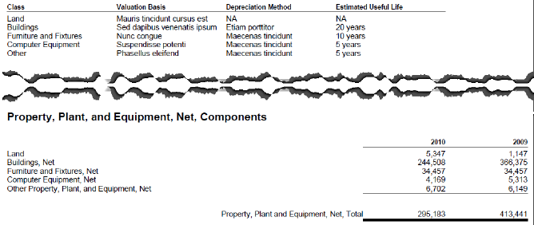

Here you can see two things. First, Property, Plant and Equipment has multiple sets of information expressed in different areas of a financial report and second, that the presentation of the information looks different.
Here is the modelling of both the polices and breakdown of Property, Plant and Equipment:
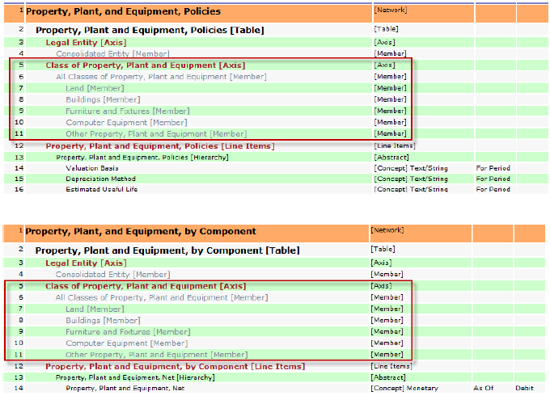

Common between the two models is the Class of Property, Plant and Equipment [Axis]. That [Axis] can be used to “glue” the two [Table]s together, using both the disclosure of the balances of each class of Property, Plant and Equipment and the policies.
If only [Line Items] were used to model both the balances and disclosures, basically not using the [Axis], one would simply repeat the [Line Item] for each class; for example creating “Land, Valuation Basis”, “Buildings, Valuation Basis”, and so on. Two things would result. First, a much larger taxonomy and second, no connection between for example, “Buildings, Valuation Basis”, “Buildings, Depreciation Method”, “Buildings, Estimated Useful Life”, and “Buildings, Net”. They may seem connected to a human due to the common term “Buildings”; but a computer could not formally make this connection. Hacks could be employed to attempt to create a connection using the common term “Buildings”, but it would be exactly that, a hack.
To examine the detailed taxonomies and instances in more detail, see the Class Properties business use case.

